Problem
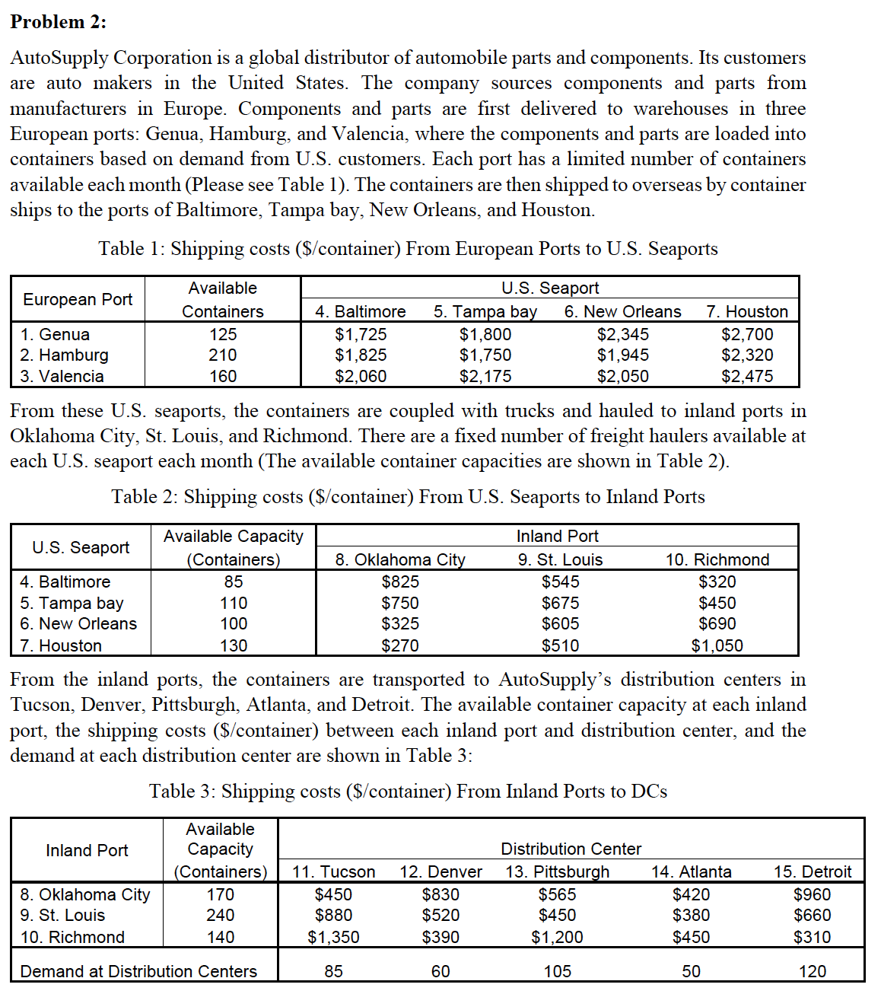
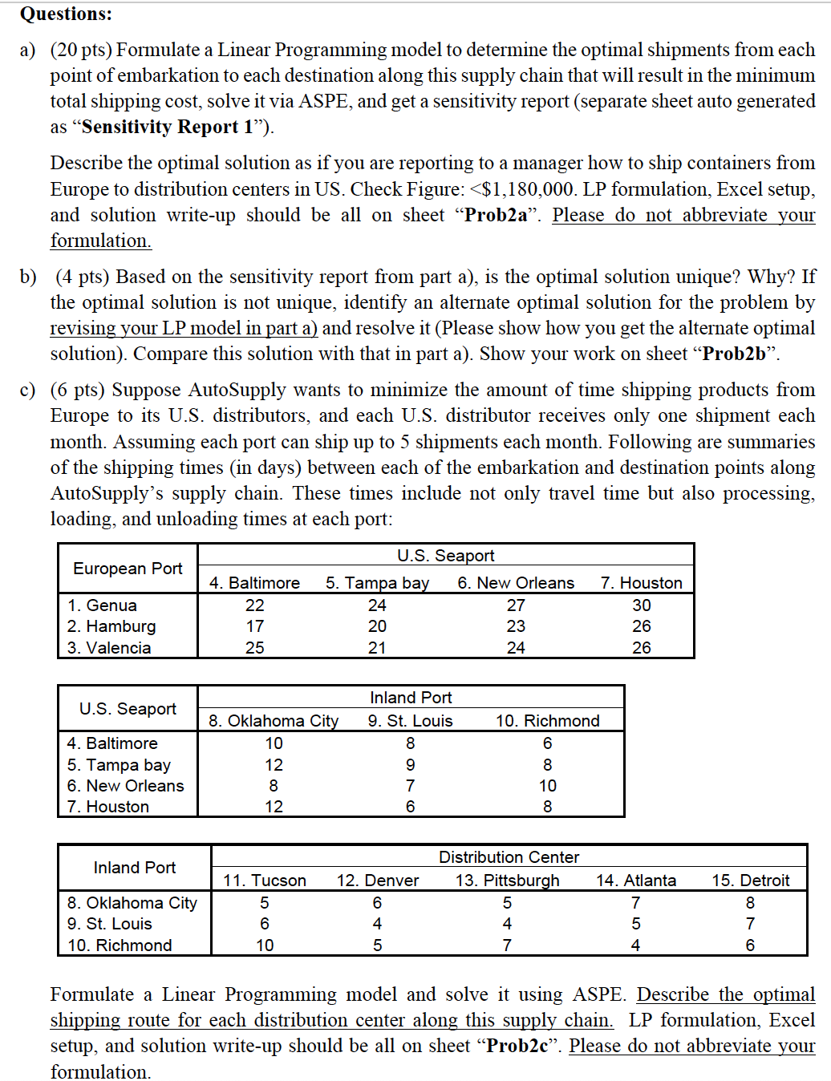

Prob2a
X_{i,j} - No of container shipped from point i to point j, where i is embarkation point and j is destination point
The goal would be to minimize the total shipping cost
Minimize: 1725X_{1,4} + 1800X_{1,5} + 2345X_{1,6} + 2700X_{1,7} + 1825X_{2,4} + 1750X_{2,5} + 1945X_{2,6} + 2320X_{2,7} + 2060X_{3,4} + 2175X_{3,5} + 2050X_{3,6} + 2475X_{3,7} + 825X_{4,8} + 545X_{4,9} + 320X_{4,10} + 750X_{5,8} + 675X_{5,9} + 450X_{5,10} + 325X_{6,8} + 605X_{6,9} + 690X_{6,10} + 270X_{7,8} + 510X_{7,9} + 1050X_{7,10} + 450X_{8,11} + 830X_{8,12} + 565X_{8,13} + 420X_{8,14} + 960X_{8,15} + 880X_{9,11} + 520X_{9,12} + 450X_{9,13} + 380X_{9,14} + 660X_{9,15} + 1350X_{10,11} + 390X_{10,12} + 1200X_{10,13} + 450X_{10,14} + 310X_{10,15}
Subject to below constraints:
-X_{1,4} - X_{1,5} - X_{1,6} - X_{1,7} >= -125
-X_{2,4} - X_{2,5} - X_{2,6} - X_{2,7} >= -210
-X_{3,4} - X_{3,5} - X_{3,6} - X_{3,7} >= -160
X_{1,4} + X_{2,4} + X_{3,4} <= 85
X_{1,5} + X_{2,5} + X_{3,5} <= 110
X_{1,6} + X_{2,6} + X_{3,6} <= 100
X_{1,7} + X_{2,7} + X_{3,7} <= 130
X_{1,4} + X_{2,4} + X_{3,4} - X_{4,8} - X_{4,9} - X_{4,10} = 0
X_{1,5} + X_{2,5} + X_{3,5} - X_{5,8} - X_{5,9} - X_{5,10} = 0
X_{1,6} + X_{2,6} + X_{3,6} - X_{6,8} - X_{6,9} - X_{6,10} = 0
X_{1,7} + X_{2,7} + X_{3,7} - X_{7,8} - X_{7,9} - X_{7,10} = 0
X_{4,8} + X_{5,8} + X_{6,8} + X_{7,8} <= 170
X_{4,9} + X_{5,9} + X_{6,9} + X_{7,9} <= 240
X_{4,10} + X_{5,10} + X_{6,10} + X_{7,10} <= 140
X_{4,8} + X_{5,8} + X_{6,8} + X_{7,8} - X_{8,11} - X_{8,12} - X_{8,13} - X_{8,14} - X_{8,15} = 0
X_{4,9} + X_{5,9} + X_{6,9} + X_{7,9} - X_{9,11} - X_{9,12} - X_{9,13} - X_{9,14} - X_{9,15} = 0
X_{4,10} + X_{5,10} + X_{6,10} + X_{7,10} - X_{10,11} - X_{10,12} - X_{10,13} - X_{10,14} - X_{10,15} = 0
X_{8,11} + X_{9,11} + X_{10,11} = 85
X_{8,12} + X_{9,12} + X_{10,12} = 60
X_{8,13} + X_{9,13} + X_{10,13} = 105
X_{8,14} + X_{9,14} + X_{10,14} = 50
X_{8,15} + X_{9,15} + X_{10,15} = 120
X_{i,j} >= 0 for all i and j
2a

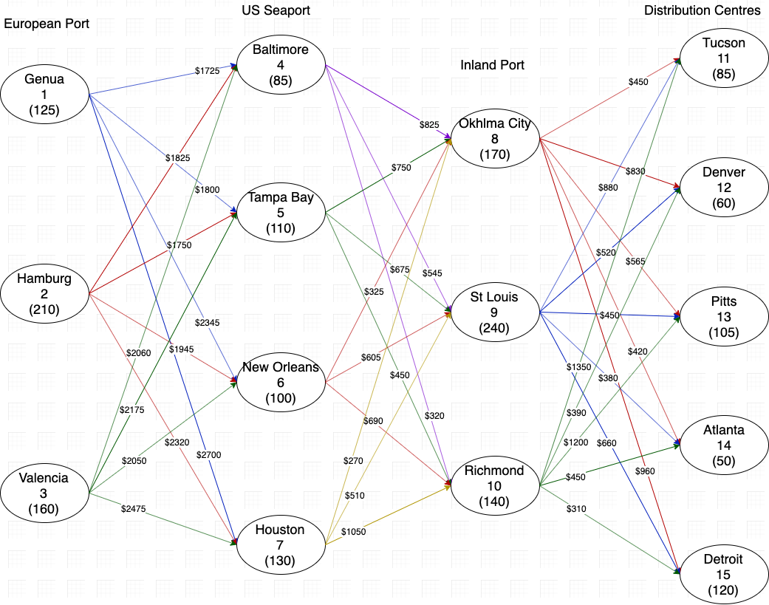

Let Xij be the number of containers shipped from node i to j |  |  |  |  |  |  |  |  | Supply |  | 495
 |  |  |  |  |  |  |  |  | Demand |  | 420
 | European Port to US Seaport |  |  |  |  |  |  |  |  |  |  |  | US Seaport to Inland Port |  |  |  |  |  |  |  |  |  |  |  | Inland Port to Distribution Centres
 | X14 | X15 | X16 | X17 | X24 | X25 | X26 | X27 | X34 | X35 | X36 | X37 | X48 | X49 | X410 | X58 | X59 | X510 | X68 | X69 | X610 | X78 | X79 | X710 | X811 | X812 | X813 | X814 | X815 | X911 | X912 | X913 | X914 | X915 | X1011 | X1012 | X1013 | X1014 | X1015
Containers | 85 | 40 | 0 | 0 | 0 | 70 | 15 | 125 | 0 | 0 | 85 | 0 | 0 | 0 | 85 | 0 | 55 | 55 | 100 | 0 | 0 | 70 | 55 | 0 | 85 | 0 | 35 | 50 | 0 | 0 | 40 | 70 | 0 | 0 | 0 | 20 | 0 | 0 | 120
Shipping Cost (MIN) | 1725 | 1800 | 2345 | 2700 | 1825 | 1750 | 1945 | 2320 | 2060 | 2175 | 2050 | 2475 | 825 | 545 | 320 | 750 | 675 | 450 | 325 | 605 | 690 | 270 | 510 | 1050 | 450 | 830 | 565 | 420 | 960 | 880 | 520 | 450 | 380 | 660 | 1350 | 390 | 1200 | 450 | 310 | 1179400 |  | RHS
Capacity Genua 125 | 1 | 1 | 1 | 1 |  |  |  |  |  |  |  |  |  |  |  |  |  |  |  |  |  |  |  |  |  |  |  |  |  |  |  |  |  |  |  |  |  |  |  | 125 | <= | 125
Capacity Hamburg 210 |  |  |  |  | 1 | 1 | 1 | 1 |  |  |  |  |  |  |  |  |  |  |  |  |  |  |  |  |  |  |  |  |  |  |  |  |  |  |  |  |  |  |  | 210 | <= | 210
Capacity Valencia 160 |  |  |  |  |  |  |  |  | 1 | 1 | 1 | 1 |  |  |  |  |  |  |  |  |  |  |  |  |  |  |  |  |  |  |  |  |  |  |  |  |  |  |  | 85 | <= | 160
Capacity Baltimore 85 | 1 |  |  |  | 1 |  |  |  | 1 |  |  |  |  |  |  |  |  |  |  |  |  |  |  |  |  |  |  |  |  |  |  |  |  |  |  |  |  |  |  | 85 | <= | 85
Capacity Tampa Bay 110 |  | 1 |  |  |  | 1 |  |  |  | 1 |  |  |  |  |  |  |  |  |  |  |  |  |  |  |  |  |  |  |  |  |  |  |  |  |  |  |  |  |  | 110 | <= | 110
Capacity NwOrleans 100 |  |  | 1 |  |  |  | 1 |  |  |  | 1 |  |  |  |  |  |  |  |  |  |  |  |  |  |  |  |  |  |  |  |  |  |  |  |  |  |  |  |  | 100 | <= | 100
Capacity Houston 130 |  |  |  | 1 |  |  |  | 1 |  |  |  | 1 |  |  |  |  |  |  |  |  |  |  |  |  |  |  |  |  |  |  |  |  |  |  |  |  |  |  |  | 125 | <= | 130
Capacity OkhCity 170 |  |  |  |  |  |  |  |  |  |  |  |  | 1 |  |  | 1 |  |  | 1 |  |  | 1 |  |  |  |  |  |  |  |  |  |  |  |  |  |  |  |  |  | 170 | <= | 170
Capacity StLouis 240 |  |  |  |  |  |  |  |  |  |  |  |  |  | 1 |  |  | 1 |  |  | 1 |  |  | 1 |  |  |  |  |  |  |  |  |  |  |  |  |  |  |  |  | 110 | <= | 240
Capacity Richmond 140 |  |  |  |  |  |  |  |  |  |  |  |  |  |  | 1 |  |  | 1 |  |  | 1 |  |  | 1 |  |  |  |  |  |  |  |  |  |  |  |  |  |  |  | 140 | <= | 140
Demand Tucson 85 |  |  |  |  |  |  |  |  |  |  |  |  |  |  |  |  |  |  |  |  |  |  |  |  | 1 |  |  |  |  | 1 |  |  |  |  | 1 |  |  |  |  | 85 | = | 85
Demand Denver 60 |  |  |  |  |  |  |  |  |  |  |  |  |  |  |  |  |  |  |  |  |  |  |  |  |  | 1 |  |  |  |  | 1 |  |  |  |  | 1 |  |  |  | 60 | = | 60
Demand Pitts 105 |  |  |  |  |  |  |  |  |  |  |  |  |  |  |  |  |  |  |  |  |  |  |  |  |  |  | 1 |  |  |  |  | 1 |  |  |  |  | 1 |  |  | 105 | = | 105
Demand Atlanta 50 |  |  |  |  |  |  |  |  |  |  |  |  |  |  |  |  |  |  |  |  |  |  |  |  |  |  |  | 1 |  |  |  |  | 1 |  |  |  |  | 1 |  | 50 | = | 50
Demand Detroit 120 |  |  |  |  |  |  |  |  |  |  |  |  |  |  |  |  |  |  |  |  |  |  |  |  |  |  |  |  | 1 |  |  |  |  | 1 |  |  |  |  | 1 | 120 | = | 120
No hold Baltimore | 1 |  |  |  | 1 |  |  |  | 1 |  |  |  | -1 | -1 | -1 |  |  |  |  |  |  |  |  |  |  |  |  |  |  |  |  |  |  |  |  |  |  |  |  | 0 | = | 0
No hold Tampa |  | 1 |  |  |  | 1 |  |  |  | 1 |  |  |  |  |  | -1 | -1 | -1 |  |  |  |  |  |  |  |  |  |  |  |  |  |  |  |  |  |  |  |  |  | 0 | = | 0
No hold NwOrleans |  |  | 1 |  |  |  | 1 |  |  |  | 1 |  |  |  |  |  |  |  | -1 | -1 | -1 |  |  |  |  |  |  |  |  |  |  |  |  |  |  |  |  |  |  | 0 | = | 0
No hold Houston |  |  |  | 1 |  |  |  | 1 |  |  |  | 1 |  |  |  |  |  |  |  |  |  | -1 | -1 | -1 |  |  |  |  |  |  |  |  |  |  |  |  |  |  |  | 0 | = | 0
No hold OkhlmaCity |  |  |  |  |  |  |  |  |  |  |  |  | 1 |  |  | 1 |  |  | 1 |  |  | 1 |  |  | -1 | -1 | -1 | -1 | -1 |  |  |  |  |  |  |  |  |  |  | 0 | = | 0
No hold StLouis |  |  |  |  |  |  |  |  |  |  |  |  |  | 1 |  |  | 1 |  |  | 1 |  |  | 1 |  |  |  |  |  |  | -1 | -1 | -1 | -1 | -1 |  |  |  |  |  | 0 | = | 0
No hold Richmond |  |  |  |  |  |  |  |  |  |  |  |  |  |  | 1 |  |  | 1 |  |  | 1 |  |  | 1 |  |  |  |  |  |  |  |  |  |  | -1 | -1 | -1 | -1 | -1 | 0 | = | 0

Given the presently-available routes, the costs of transport, port capacity, and distribution center demand, total shipping costs are minimized at $1,179,400. To achieve this optimal result, AutoSupply Corp. must ship via the following plan:
Leg 1 - European Port to US Seaport:
85 containers from Genua to Baltimore
40 containers from Genua to Tampa Bay
70 containers from Hamburg to Tampa Bay
15 containers from Hamburg to New Orleans
125 containers from Hamburg to Houston
85 containers from Valencia to Tampa Bay
Leg 2 - US Seaport to Inland Port:
85 containers from Baltimore to Richmond
55 containers from Tampa Bay to St. Louis
55 containers from Tampa Bay to Richmond
100 containers from New Orleans to Oklahoma City
70 containers from Houston to Oklahoma City
55 containers from Houston to St. Louis
Leg 3 - Inland Port to Distribution Center:
85 containers from Oklahoma City to Tucson
35 containers from Oklahoma City to Pittsburgh
50 containers from Oklahoma City to Atlanta
40 containers from St. Louis to Denver
70 containers from St. Louis to Pittsburgh
20 containers from Richmond to Denver
120 containers from Richmond to Detroit

Prob2b
2b

Objective Cell (Min)
 | Cell | Name | Final Value
 | $AO$6 | Shipping Cost (MIN) | 1179400

Decision Variable Cells
 |  |  | Final | Reduced | Objective | Allowable | Allowable
 | Cell | Name | Value | Cost | Coefficient | Increase | Decrease
 | $B$5 | Containers X14 | 85 | 0 | 1725 | 150.0000001 | 1E+30
 | $C$5 | Containers X15 | 40 | 0 | 1800 | 55.0000001 | 150.0000001
 | $D$5 | Containers X16 | 0 | 350 | 2345 | 1E+30 | 350
 | $E$5 | Containers X17 | 0 | 330 | 2700 | 1E+30 | 330
 | $F$5 | Containers X24 | 0 | 150 | 1825 | 1E+30 | 150
 | $G$5 | Containers X25 | 70 | 0 | 1750 | 150.0000001 | 55.0000001
 | $H$5 | Containers X26 | 15 | 0 | 1945 | 55.0000001 | 50.0000001
 | $I$5 | Containers X27 | 125 | 0 | 2320 | 50.0000001 | 320.0000001
Highlighted 4 variables have allowable increase (or) allowable decrese of objetive coefficient values as 0. So alternate optimal solution exists
 | $J$5 | Containers X34 | 0 | 280 | 2060 | 1E+30 | 280
 | $K$5 | Containers X35 | 0 | 320 | 2175 | 1E+30 | 320
 | $L$5 | Containers X36 | 85 | 0 | 2050 | 50.0000001 | 55.0000001
 | $M$5 | Containers X37 | 0 | 50 | 2475 | 1E+30 | 50
 | $N$5 | Containers X48 | 0 | 520 | 825 | 1E+30 | 520
 | $O$5 | Containers X49 | 0 | 0 | 545 | 1E+30 | 0
 | $P$5 | Containers X410 | 85 | 0 | 320 | 0.0000001 | 1E+30
 | $Q$5 | Containers X58 | 0 | 315 | 750 | 1E+30 | 315
 | $R$5 | Containers X59 | 55 | 0 | 675 | 0.0000001 | 350.0000001
 | $S$5 | Containers X510 | 55 | 0 | 450 | 350.0000001 | 0.0000001
 | $T$5 | Containers X68 | 100 | 0 | 325 | 40.0000001 | 1E+30
 | $U$5 | Containers X69 | 0 | 40 | 605 | 1E+30 | 40
 | $V$5 | Containers X610 | 0 | 350 | 690 | 1E+30 | 350
 | $W$5 | Containers X78 | 70 | 0 | 270 | 125.0000001 | 40.0000001
 | $X$5 | Containers X79 | 55 | 0 | 510 | 40.0000001 | 125.0000001
 | $Y$5 | Containers X710 | 0 | 765 | 1050 | 1E+30 | 765
 | $Z$5 | Containers X811 | 85 | 0 | 450 | 545.0000001 | 1E+30
 | $AA$5 | Containers X812 | 0 | 195 | 830 | 1E+30 | 195
 | $AB$5 | Containers X813 | 35 | 0 | 565 | 125.0000001 | 75.0000001
 | $AC$5 | Containers X814 | 50 | 0 | 420 | 75.0000001 | 1E+30
 | $AD$5 | Containers X815 | 0 | 405 | 960 | 1E+30 | 405
 | $AE$5 | Containers X911 | 0 | 545 | 880 | 1E+30 | 545
 | $AF$5 | Containers X912 | 40 | 0 | 520 | 195.0000001 | 275.0000001
 | $AG$5 | Containers X913 | 70 | 0 | 450 | 75.0000001 | 125.0000001
 | $AH$5 | Containers X914 | 0 | 75 | 380 | 1E+30 | 75
 | $AI$5 | Containers X915 | 0 | 220 | 660 | 1E+30 | 220
 | $AJ$5 | Containers X1011 | 0 | 1145 | 1350 | 1E+30 | 1145
 | $AK$5 | Containers X1012 | 20 | 0 | 390 | 275.0000001 | 220.0000001
 | $AL$5 | Containers X1013 | 0 | 880 | 1200 | 1E+30 | 880
 | $AM$5 | Containers X1014 | 0 | 275 | 450 | 1E+30 | 275
 | $AN$5 | Containers X1015 | 120 | 0 | 310 | 220.0000001 | 1E+30

Steps for finding alternate solution
Add a constraint to set the objective function value to optimal value(1179400) obtained in part 2a
Change the objective function to maximize or minimize the decision variables where allowable inccrease (or) decrease is found to be 0
Resolve the problem with above setting
Differences highlighted in green below

Solution in Part 2a | 85 | 40 | 0 | 0 | 0 | 70 | 15 | 125 | 0 | 0 | 85 | 0 | 0 | 0 | 85 | 0 | 55 | 55 | 100 | 0 | 0 | 70 | 55 | 0 | 85 | 0 | 35 | 50 | 0 | 0 | 40 | 70 | 0 | 0 | 0 | 20 | 0 | 0 | 120
 | European Port to US Seaport |  |  |  |  |  |  |  |  |  |  |  | US Seaport to Inland Port |  |  |  |  |  |  |  |  |  |  |  | Inland Port to Distribution Centres
 | X14 | X15 | X16 | X17 | X24 | X25 | X26 | X27 | X34 | X35 | X36 | X37 | X48 | X49 | X410 | X58 | X59 | X510 | X68 | X69 | X610 | X78 | X79 | X710 | X811 | X812 | X813 | X814 | X815 | X911 | X912 | X913 | X914 | X915 | X1011 | X1012 | X1013 | X1014 | X1015
Containers | 85 | 40 | 0 | 0 | 0 | 70 | 15 | 125 | 0 | 0 | 85 | 0 | 0 | 55 | 30 | 0 | 0 | 110 | 100 | 0 | -5.9040679624E-13 | 70 | 55 | 0 | 85 | 0 | 35 | 50 | 0 | 0 | 40 | 70 | 0 | 0 | 0 | 20 | 0 | 0 | 120 | Objective Minimize
Shipping Cost (MIN) | 1725 | 1800 | 2345 | 2700 | 1825 | 1750 | 1945 | 2320 | 2060 | 2175 | 2050 | 2475 | 825 | 545 | 320 | 750 | 675 | 450 | 325 | 605 | 690 | 270 | 510 | 1050 | 450 | 830 | 565 | 420 | 960 | 880 | 520 | 450 | 380 | 660 | 1350 | 390 | 1200 | 450 | 310 | 1179400 |  | RHS
Capacity Genua 125 | 1 | 1 | 1 | 1 |  |  |  |  |  |  |  |  |  |  |  |  |  |  |  |  |  |  |  |  |  |  |  |  |  |  |  |  |  |  |  |  |  |  |  | 125 | <= | 125
Capacity Hamburg 210 |  |  |  |  | 1 | 1 | 1 | 1 |  |  |  |  |  |  |  |  |  |  |  |  |  |  |  |  |  |  |  |  |  |  |  |  |  |  |  |  |  |  |  | 210 | <= | 210
Capacity Valencia 160 |  |  |  |  |  |  |  |  | 1 | 1 | 1 | 1 |  |  |  |  |  |  |  |  |  |  |  |  |  |  |  |  |  |  |  |  |  |  |  |  |  |  |  | 85 | <= | 160
Capacity Baltimore 85 | 1 |  |  |  | 1 |  |  |  | 1 |  |  |  |  |  |  |  |  |  |  |  |  |  |  |  |  |  |  |  |  |  |  |  |  |  |  |  |  |  |  | 85 | <= | 85
Capacity Tampa Bay 110 |  | 1 |  |  |  | 1 |  |  |  | 1 |  |  |  |  |  |  |  |  |  |  |  |  |  |  |  |  |  |  |  |  |  |  |  |  |  |  |  |  |  | 110 | <= | 110
Capacity NwOrleans 100 |  |  | 1 |  |  |  | 1 |  |  |  | 1 |  |  |  |  |  |  |  |  |  |  |  |  |  |  |  |  |  |  |  |  |  |  |  |  |  |  |  |  | 100 | <= | 100
Capacity Houston 130 |  |  |  | 1 |  |  |  | 1 |  |  |  | 1 |  |  |  |  |  |  |  |  |  |  |  |  |  |  |  |  |  |  |  |  |  |  |  |  |  |  |  | 125 | <= | 130
Capacity OkhCity 170 |  |  |  |  |  |  |  |  |  |  |  |  | 1 |  |  | 1 |  |  | 1 |  |  | 1 |  |  |  |  |  |  |  |  |  |  |  |  |  |  |  |  |  | 170 | <= | 170
Capacity StLouis 240 |  |  |  |  |  |  |  |  |  |  |  |  |  | 1 |  |  | 1 |  |  | 1 |  |  | 1 |  |  |  |  |  |  |  |  |  |  |  |  |  |  |  |  | 110 | <= | 240
Capacity Richmond 140 |  |  |  |  |  |  |  |  |  |  |  |  |  |  | 1 |  |  | 1 |  |  | 1 |  |  | 1 |  |  |  |  |  |  |  |  |  |  |  |  |  |  |  | 140 | <= | 140
Demand Tucson 85 |  |  |  |  |  |  |  |  |  |  |  |  |  |  |  |  |  |  |  |  |  |  |  |  | 1 |  |  |  |  | 1 |  |  |  |  | 1 |  |  |  |  | 85 | = | 85
Demand Denver 60 |  |  |  |  |  |  |  |  |  |  |  |  |  |  |  |  |  |  |  |  |  |  |  |  |  | 1 |  |  |  |  | 1 |  |  |  |  | 1 |  |  |  | 60 | = | 60
Demand Pitts 105 |  |  |  |  |  |  |  |  |  |  |  |  |  |  |  |  |  |  |  |  |  |  |  |  |  |  | 1 |  |  |  |  | 1 |  |  |  |  | 1 |  |  | 105 | = | 105
Demand Atlanta 50 |  |  |  |  |  |  |  |  |  |  |  |  |  |  |  |  |  |  |  |  |  |  |  |  |  |  |  | 1 |  |  |  |  | 1 |  |  |  |  | 1 |  | 50 | = | 50
Demand Detroit 120 |  |  |  |  |  |  |  |  |  |  |  |  |  |  |  |  |  |  |  |  |  |  |  |  |  |  |  |  | 1 |  |  |  |  | 1 |  |  |  |  | 1 | 120 | = | 120
No hold Baltimore | 1 |  |  |  | 1 |  |  |  | 1 |  |  |  | -1 | -1 | -1 |  |  |  |  |  |  |  |  |  |  |  |  |  |  |  |  |  |  |  |  |  |  |  |  | -7.1054273576E-15 | = | 0
No hold Tampa |  | 1 |  |  |  | 1 |  |  |  | 1 |  |  |  |  |  | -1 | -1 | -1 |  |  |  |  |  |  |  |  |  |  |  |  |  |  |  |  |  |  |  |  |  | 1.4210854715E-14 | = | 0
No hold NwOrleans |  |  | 1 |  |  |  | 1 |  |  |  | 1 |  |  |  |  |  |  |  | -1 | -1 | -1 |  |  |  |  |  |  |  |  |  |  |  |  |  |  |  |  |  |  | -6.4491017935E-15 | = | 0
Ho hold Houston |  |  |  | 1 |  |  |  | 1 |  |  |  | 1 |  |  |  |  |  |  |  |  |  | -1 | -1 | -1 |  |  |  |  |  |  |  |  |  |  |  |  |  |  |  | -7.1054273576E-15 | = | 0
No hold OkhlmaCity |  |  |  |  |  |  |  |  |  |  |  |  | 1 |  |  | 1 |  |  | 1 |  |  | 1 |  |  | -1 | -1 | -1 | -1 | -1 |  |  |  |  |  |  |  |  |  |  | 7.1054273576E-15 | = | 0
No hold StLouis |  |  |  |  |  |  |  |  |  |  |  |  |  | 1 |  |  | 1 |  |  | 1 |  |  | 1 |  |  |  |  |  |  | -1 | -1 | -1 | -1 | -1 |  |  |  |  |  | 0 | = | 0
No hold Richmond |  |  |  |  |  |  |  |  |  |  |  |  |  |  | 1 |  |  | 1 |  |  | 1 |  |  | 1 |  |  |  |  |  |  |  |  |  |  | -1 | -1 | -1 | -1 | -1 | -1.4210854715E-14 | = | 0

Given the presently-available routes, the costs of transport, port capacity, and distribution center demand, total shipping costs are minimized at $1,179,400. To achieve this alternate optimal result, AutoSupply Corp. must ship via the following plan:
Leg 1 - European Port to US Seaport:
85 containers from Genua to Baltimore
40 containers from Genua to Tampa Bay
70 containers from Hamburg to Tampa Bay
15 containers from Hamburg to New Orleans
125 containers from Hamburg to Houston
85 containers from Valencia to Tampa Bay
Leg 2 - US Seaport to Inland Port:
55 containers from Baltimore to St. Louis -- 0 containers in earlier solution (2a)
30 containers from Baltimore to Richmond -- 85 containers in earlier solution (2a)
0 containers from Tampa Bay to St. Louis -- 55 containers in earlier solution (2a)
110 containers from Tampa Bay to Richmond -- 55 containers in earlier solution (2a)
100 containers from New Orleans to Oklahoma City
70 containers from Houston to Oklahoma City
55 containers from Houston to St. Louis
Leg 3 - Inland Port to Distribution Center:
85 containers from Oklahoma City to Tucson
35 containers from Oklahoma City to Pittsburgh
50 containers from Oklahoma City to Atlanta
40 containers from St. Louis to Denver
70 containers from St. Louis to Pittsburgh
20 containers from Richmond to Denver
120 containers from Richmond to Detroit

Prob2c
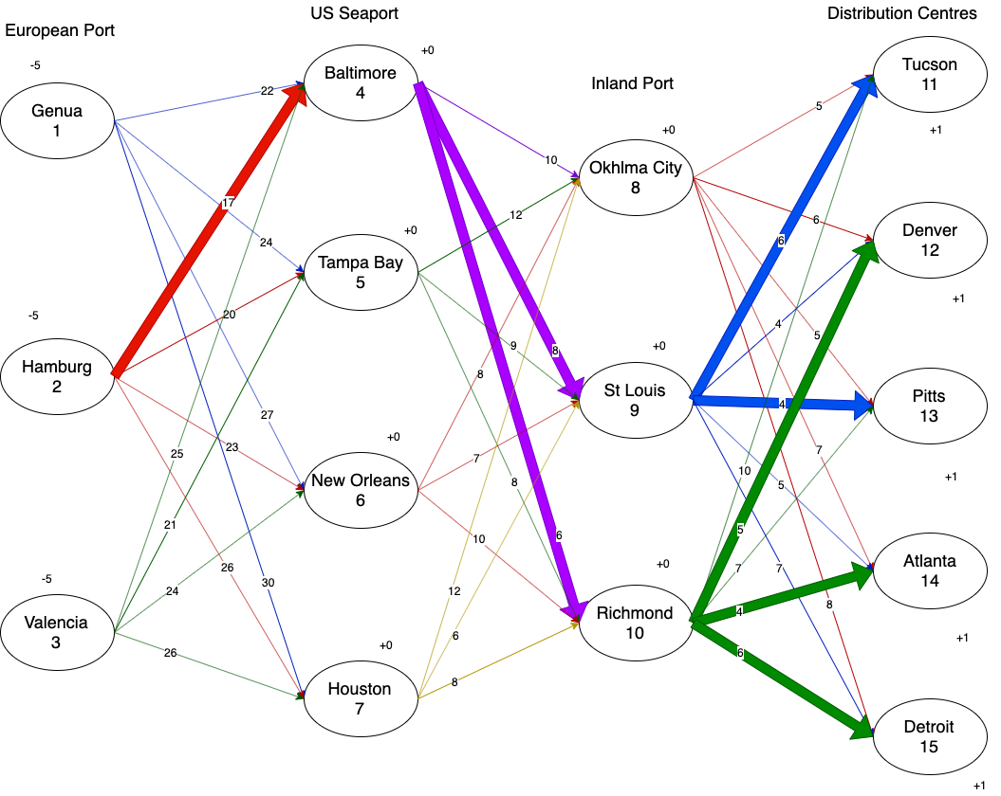
2c
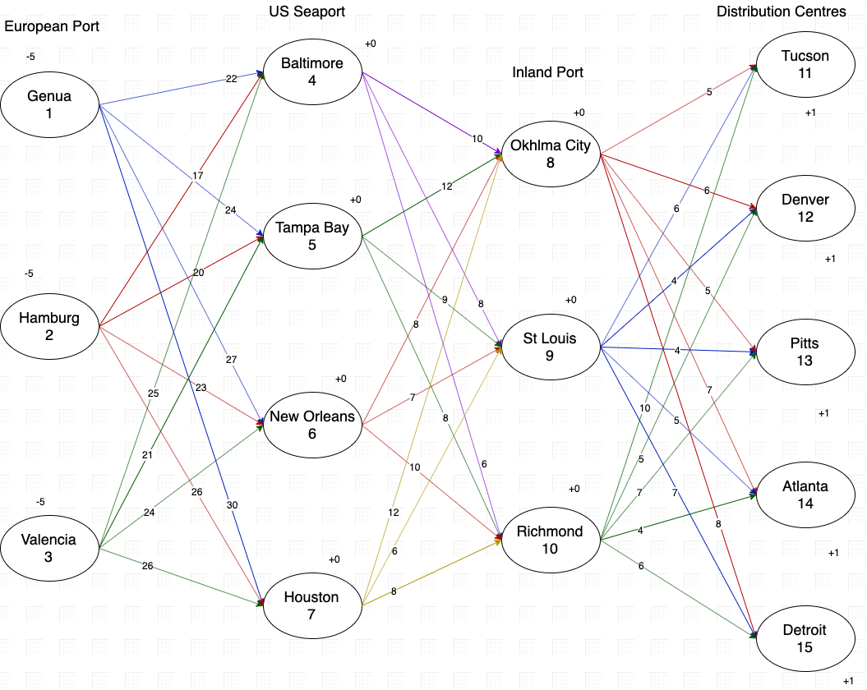
X_{i,j} - No of shipments shipped from point i to point j, where i is embarkation point and j is destination point
The goal would be to minimize the total shipping time
Minimize: 22X_{1,4} + 24X_{1,5} + 27X_{1,6} + 30X_{1,7} + 17X_{2,4} + 20X_{2,5} + 23X_{2,6} + 26X_{2,7} + 25X_{3,4} + 21X_{3,5} + 24X_{3,6} + 26X_{3,7} + 10X_{4,8} + 8X_{4,9} + 6X_{4,10} + 12X_{5,8} + 9X_{5,9} + 8X_{5,10} + 8X_{6,8} + 7X_{6,9} + 10X_{6,10} + 12X_{7,8} + 6X_{7,9} + 8X_{7,10} + 5X_{8,11} + 6X_{8,12} + 5X_{8,13} + 7X_{8,14} + 8X_{8,15} + 6X_{9,11} + 4X_{9,12} + 4X_{9,13} + 5X_{9,14} + 7X_{9,15} + 10X_{10,11} + 5X_{10,12} + 7X_{10,13} + 4X_{10,14} + 6X_{10,15}
Subject to below constraints:
-X_{1,4} - X_{1,5} - X_{1,6} - X_{1,7} >= -5
-X_{2,4} - X_{2,5} - X_{2,6} - X_{2,7} >= -5
-X_{3,4} - X_{3,5} - X_{3,6} - X_{3,7} >= -5
X_{1,4} + X_{2,4} + X_{3,4} <= 5
X_{1,5} + X_{2,5} + X_{3,5} <= 5
X_{1,6} + X_{2,6} + X_{3,6} <= 5
X_{1,7} + X_{2,7} + X_{3,7} <= 5
X_{1,4} + X_{2,4} + X_{3,4} - X_{4,8} - X_{4,9} - X_{4,10} = 0
X_{1,5} + X_{2,5} + X_{3,5} - X_{5,8} - X_{5,9} - X_{5,10} = 0
X_{1,6} + X_{2,6} + X_{3,6} - X_{6,8} - X_{6,9} - X_{6,10} = 0
X_{1,7} + X_{2,7} + X_{3,7} - X_{7,8} - X_{7,9} - X_{7,10} = 0
X_{4,8} + X_{5,8} + X_{6,8} + X_{7,8} <= 5
X_{4,9} + X_{5,9} + X_{6,9} + X_{7,9} <= 5
X_{4,10} + X_{5,10} + X_{6,10} + X_{7,10} <= 5
X_{4,8} + X_{5,8} + X_{6,8} + X_{7,8} - X_{8,11} - X_{8,12} - X_{8,13} - X_{8,14} - X_{8,15} = 0
X_{4,9} + X_{5,9} + X_{6,9} + X_{7,9} - X_{9,11} - X_{9,12} - X_{9,13} - X_{9,14} - X_{9,15} = 0
X_{4,10} + X_{5,10} + X_{6,10} + X_{7,10} - X_{10,11} - X_{10,12} - X_{10,13} - X_{10,14} - X_{10,15} = 0
X_{8,11} + X_{9,11} + X_{10,11} = 1
X_{8,12} + X_{9,12} + X_{10,12} = 1
X_{8,13} + X_{9,13} + X_{10,13} = 1
X_{8,14} + X_{9,14} + X_{10,14} = 1
X_{8,15} + X_{9,15} + X_{10,15} = 1
X_{i,j} >= 0 for all i and j

Let Xij be the number of shipments shipped from node i to j

 | European Port to US Seaport |  |  |  |  |  |  |  |  |  |  |  | US Seaport to Inland Port |  |  |  |  |  |  |  |  |  |  |  | Inland Port to Distribution Centres
 | X14 | X15 | X16 | X17 | X24 | X25 | X26 | X27 | X34 | X35 | X36 | X37 | X48 | X49 | X410 | X58 | X59 | X510 | X68 | X69 | X610 | X78 | X79 | X710 | X811 | X812 | X813 | X814 | X815 | X911 | X912 | X913 | X914 | X915 | X1011 | X1012 | X1013 | X1014 | X1015
Travel Route | 0 | 0 | 0 | 0 | 5 | 0 | 0 | 0 | 0 | 0 | 0 | 0 | 0 | 2 | 3 | 0 | 0 | 0 | 0 | 0 | 0 | 0 | 0 | 0 | 0 | 0 | 0 | 0 | 0 | 1 | 0 | 1 | 0 | 0 | 0 | 1 | 0 | 1 | 1
Travel Time (MIN) | 22 | 24 | 27 | 30 | 17 | 20 | 23 | 26 | 25 | 21 | 24 | 26 | 10 | 8 | 6 | 12 | 9 | 8 | 8 | 7 | 10 | 12 | 6 | 8 | 5 | 6 | 5 | 7 | 8 | 6 | 4 | 4 | 5 | 7 | 10 | 5 | 7 | 4 | 6 | 144
Max Shipment Capacity Genua | -1 | -1 | -1 | -1 |  |  |  |  |  |  |  |  |  |  |  |  |  |  |  |  |  |  |  |  |  |  |  |  |  |  |  |  |  |  |  |  |  |  |  | 0 | >= | -5
Max Shipment Capacity Hamburg |  |  |  |  | -1 | -1 | -1 | -1 |  |  |  |  |  |  |  |  |  |  |  |  |  |  |  |  |  |  |  |  |  |  |  |  |  |  |  |  |  |  |  | -5 | >= | -5
Max Shipment Capacity Valencia |  |  |  |  |  |  |  |  | -1 | -1 | -1 | -1 |  |  |  |  |  |  |  |  |  |  |  |  |  |  |  |  |  |  |  |  |  |  |  |  |  |  |  | 0 | >= | -5
Max Shipment Capacity Baltimore | 1 |  |  |  | 1 |  |  |  | 1 |  |  |  |  |  |  |  |  |  |  |  |  |  |  |  |  |  |  |  |  |  |  |  |  |  |  |  |  |  |  | 5 | <= | 5
Max ShipmentCapacity Tampa Bay |  | 1 |  |  |  | 1 |  |  |  | 1 |  |  |  |  |  |  |  |  |  |  |  |  |  |  |  |  |  |  |  |  |  |  |  |  |  |  |  |  |  | 0 | <= | 5
Max Shipment Capacity New Orleans |  |  | 1 |  |  |  | 1 |  |  |  | 1 |  |  |  |  |  |  |  |  |  |  |  |  |  |  |  |  |  |  |  |  |  |  |  |  |  |  |  |  | 0 | <= | 5
Max Shipment Capacity Houston |  |  |  | 1 |  |  |  | 1 |  |  |  | 1 |  |  |  |  |  |  |  |  |  |  |  |  |  |  |  |  |  |  |  |  |  |  |  |  |  |  |  | 0 | <= | 5
Max Shipment Capacity Okhalama City |  |  |  |  |  |  |  |  |  |  |  |  | 1 |  |  | 1 |  |  | 1 |  |  | 1 |  |  |  |  |  |  |  |  |  |  |  |  |  |  |  |  |  | 0 | <= | 5
Max Shipment Capacity St Louis |  |  |  |  |  |  |  |  |  |  |  |  |  | 1 |  |  | 1 |  |  | 1 |  |  | 1 |  |  |  |  |  |  |  |  |  |  |  |  |  |  |  |  | 2 | <= | 5
Max Shipment Capacity Richmond |  |  |  |  |  |  |  |  |  |  |  |  |  |  | 1 |  |  | 1 |  |  | 1 |  |  | 1 |  |  |  |  |  |  |  |  |  |  |  |  |  |  |  | 3 | <= | 5
No hold Baltimore | 1 |  |  |  | 1 |  |  |  | 1 |  |  |  | -1 | -1 | -1 |  |  |  |  |  |  |  |  |  |  |  |  |  |  |  |  |  |  |  |  |  |  |  |  | 0 | = | 0
No hold Tampa |  | 1 |  |  |  | 1 |  |  |  | 1 |  |  |  |  |  | -1 | -1 | -1 |  |  |  |  |  |  |  |  |  |  |  |  |  |  |  |  |  |  |  |  |  | 0 | = | 0
No hold NwOrleans |  |  | 1 |  |  |  | 1 |  |  |  | 1 |  |  |  |  |  |  |  | -1 | -1 | -1 |  |  |  |  |  |  |  |  |  |  |  |  |  |  |  |  |  |  | 0 | = | 0
No hold Houston |  |  |  | 1 |  |  |  | 1 |  |  |  | 1 |  |  |  |  |  |  |  |  |  | -1 | -1 | -1 |  |  |  |  |  |  |  |  |  |  |  |  |  |  |  | 0 | = | 0
No hold OkhlmaCity |  |  |  |  |  |  |  |  |  |  |  |  | 1 |  |  | 1 |  |  | 1 |  |  | 1 |  |  | -1 | -1 | -1 | -1 | -1 |  |  |  |  |  |  |  |  |  |  | 0 | = | 0
No hold StLouis |  |  |  |  |  |  |  |  |  |  |  |  |  | 1 |  |  | 1 |  |  | 1 |  |  | 1 |  |  |  |  |  |  | -1 | -1 | -1 | -1 | -1 |  |  |  |  |  | 0 | = | 0
No hold Richmond |  |  |  |  |  |  |  |  |  |  |  |  |  |  | 1 |  |  | 1 |  |  | 1 |  |  | 1 |  |  |  |  |  |  |  |  |  |  | -1 | -1 | -1 | -1 | -1 | 0 | = | 0
Tucson gets 1 shipment |  |  |  |  |  |  |  |  |  |  |  |  |  |  |  |  |  |  |  |  |  |  |  |  | 1 |  |  |  |  | 1 |  |  |  |  | 1 |  |  |  |  | 1 | = | 1
Denver gets 1 shipment |  |  |  |  |  |  |  |  |  |  |  |  |  |  |  |  |  |  |  |  |  |  |  |  |  | 1 |  |  |  |  | 1 |  |  |  |  | 1 |  |  |  | 1 | = | 1
Pittsburg gets 1 shipment |  |  |  |  |  |  |  |  |  |  |  |  |  |  |  |  |  |  |  |  |  |  |  |  |  |  | 1 |  |  |  |  | 1 |  |  |  |  | 1 |  |  | 1 | = | 1
Atlanta gets 1 shipment |  |  |  |  |  |  |  |  |  |  |  |  |  |  |  |  |  |  |  |  |  |  |  |  |  |  |  | 1 |  |  |  |  | 1 |  |  |  |  | 1 |  | 1 | = | 1
Detroit gets 1 shipment |  |  |  |  |  |  |  |  |  |  |  |  |  |  |  |  |  |  |  |  |  |  |  |  |  |  |  |  | 1 |  |  |  |  | 1 |  |  |  |  | 1 | 1 | = | 1

Given the presently-available routes, the costs of transport, port capacity, and distribution center demand, total shipping time is minimized to 144 days. To achieve this optimal result, AutoSupply Corp. must ship via the following plan:
Leg 1 - European Port to US Seaport:
5 containers from Hamburg to Baltimore
Leg 2 - US Seaport to Inland Port:
2 containers from Baltimore to St. Louis
3 containers from Baltimore to Richmond
Leg 3 - Inland Port to Distribution Center:
1 container from St. Louis to Tucson
1 container from St. Louis to Pittsburgh
1 container from Richmond to Denver
1 container from Richmond to Atlanta
1 container from Richmond to Detroit
 |  |  |  |  |  |  |  |  |  |  |  |  |  | Highlighted below is the optimal path for minimizing shipping time

